Readme
Build Environment Information please refer to "Build Environment Info." sheet ALPS Label Information please refer to"Label Info." sheet Verify the integrity of downloaded packages MD5 (Message-Digest Algorithm) is a widely used cryptographic hash function, which can help to check data integrity Please follow following steps to verify the integrity of downloaded package 1) Put all downloaded packages in the same folder 2) Check file ${customer_project}.md5 is in the same folder 3) Run command md5sum to verify packages integrity e.g. md5sum -c ${customer_project}.md5 4) md5sum will check packages integrity sequentially 5) If packages integrity are correct, the screen will show OK message e.g. ${customer_project}_KERNEL.tar.gz: OK Steps for building project Please DO NOT extract the compressed files in any non-Linux OS to avoid possible file corruption or attribute misalignment. 1) Untar ${customer_project}_KERNEL.tar.gz to Folder A e.g. tar zxf ${customer_project}_KERNEL.tar.gz 2) Untar ${customer_project}_INHOUSE.tar.gz and overwrite to Folder A e.g. cat ${customer_project}_INHOUSE.tar.gz* | tar zxf - 3) build modem image: please refer to "Build_Configure_Modem_MOLY" sheet 4) copy modem folder to alps/vendor/mediatek/proprietary/custom/${project}/modem/${modem} 5) open alps/device/${company}/${project}/ProjectConfig.mk 6) set CUSTOM_MODEM=${modem} | 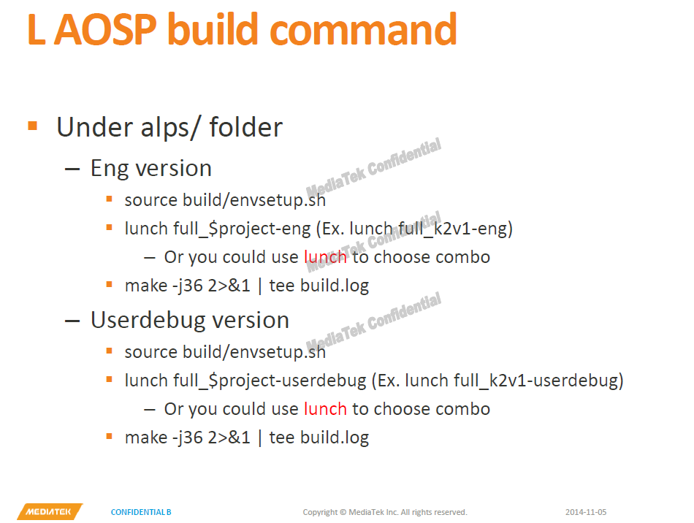 Steps for building project 7) Run AOSP build command to build target project. Naming rules for ALPS & MD version please refer to "Naming_Rules" sheet Version of L1.MP3 supports project package set please refer to "Project_Package_Set_M6735M" sheet DSDS 5M project packages config notes please refer to "DSDS 5M Project config" sheet Major switchable features please refer to "Switchable_Features" sheet Operator switchable features please refer to "Switchable_Operators" sheet Steps for building & configuring modems please refer to "Build_Configure_Modem_MOLY" sheet Modem Major Feature Switchable please refer to "Switchable_Features_For_Modem" sheet Modme RF_Configuration please refer to "RF_Configuration" sheet Appendix: App.1 CR list App.2 CTA for TDD report App.3 CTA for FDD report App.4 CTS for TDD report App.5 CTS for FDD report

Project_Package_Set_M6735M
Project Package Sets on MT6735
Product | Package Set | AP Project(main) | AP Project(sub) | Modem branch | Modem project | Notify | 關於modem 的搭配使用
SET |  | L1.MP3 branch | L1.MP3 branch |  |  |  | LR9.W1444.MD.LWTG.CMCC.MP | LTTG_DSDS_CMCC | CMCC (入库 &非入库)
64_FULL+32_FULL+32_GMO | DSDS 5M | MTK6735M_65C_L | MTK6735M_65U_L MTK6735M_35C_L MTK6735M_35U_L MTK6735M_35GC_L MTK6735M_35GU_L | LR9.W1444.MD.LWTG.CMCC.MP | MTK6735M_65C_L(LTTG_DSDS_CMCC) |  |  | LWG_DSDS_CMCC | CMCC 海外漫游
 |  |  |  |  | MTK6735M_65C_L(LWG_DSDS_CMCC) |  | LR9.W1444.MD.LWTG.MP | LWG_DSDS | CU & WWOP
 |  |  |  | LR9.W1444.MD.LWTG.MP | MTK6735M_65C_L(LTTG_DSDS) |  |  | LTTG_DSDS | CU 5M
 |  |  |  |  | MTK6735M_65C_L(LWG_DSDS)
 | DSDS 4M FDD CU | MTK6735M_64_L | MTK6735M_34_L MTK6735M_34G_L | LR9.W1444.MD.LWTG.MP | MTK6735M_64_L(LWG_DSDS)
 | DSDS 3M TDD | MTK6735M_63_L | MTK6735M_33_L MTK6735M_33G_L | LR9.W1444.MD.LWTG.CMCC.MP | MTK6735M_63_L(LTTG_DSDS_CMCC) |  | Naming rule change (Must read!!)
64_FULL | DSDS 5M | MTK6735M_65C_L | MTK6735M_65U_L | LR9.W1444.MD.LWTG.CMCC.MP | MTK6735M_65C_L(LTTG_DSDS_CMCC) |  | *Remove modem type "LWT" "LW" "LT" from project name
 |  |  |  |  | MTK6735M_65C_L(LWG_DSDS_CMCC) |  | *Number is meaning in project name
 |  |  |  | LR9.W1444.MD.LWTG.MP | MTK6735M_65C_L(LTTG_DSDS) |  | First number means 64 bit or 32 bit SW
 |  |  |  |  | MTK6735M_65C_L(LWG_DSDS) |  | Second number means 5M / 4M / 3M SW
 | DSDS 4M FDD CU | MTK6735M_64_L | NA | LR9.W1444.MD.LWTG.MP | MTK6735M_64_L(LWG_DSDS) |  | *In 5M package set
 | DSDS 3M TDD | MTK6735M_63_L | NA | LR9.W1444.MD.LWTG.CMCC.MP | MTK6735M_63_L(LTTG_DSDS_CMCC) |  | C means CMCC(OP01) project
32_FULL+32_GMO | DSDS 5M | MTK6735M_35C_L | MTK6735M_35U_L MTK6735M_35GC_L MTK6735M_35GU_L | LR9.W1444.MD.LWTG.CMCC.MP | MTK6735M_35C_L(LTTG_DSDS_CMCC) |  | U means CU (OP02) project
 |  |  |  |  | MTK6735M_35C_L(LWG_DSDS_CMCC) |  | *Bring "G" to identify that it's GMO project
 |  |  |  | LR9.W1444.MD.LWTG.MP | MTK6735M_35C_L(LTTG_DSDS)
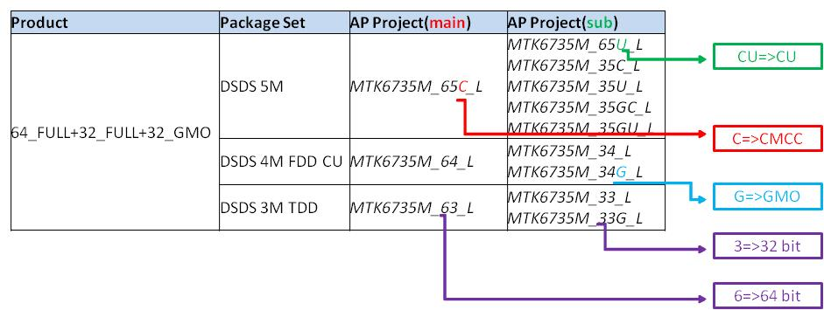
 |  |  |  |  | MTK6735M_35C_L(LWG_DSDS)
 | DSDS 4M FDD CU | MTK6735M_34_L | MTK6735M_34G_L | LR9.W1444.MD.LWTG.MP | MTK6735M_34_L(LWG_DSDS)
 | DSDS 3M TDD | MTK6735M_33_L | MTK6735M_33G_L | LR9.W1444.MD.LWTG.CMCC.MP | MTK6735M_33_L(LTTG_DSDS_CMCC)

App.3 CTA for FDD report
